Sheet1
 | Operator Joystick |  |  | v0.4 (Mar , 2020)

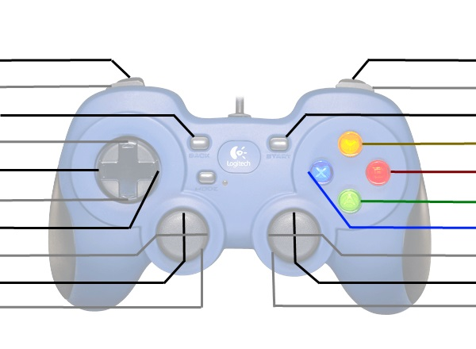
(Vision Align and Shoot Close) |  |  |  | (Vision Align and Shoot Far)
(Shoot Close) |  |  |  | (Shoot Far)
Control Panel Rotate 3x |  |  |  | Control Panel Rotate to Colour
Up-Shift |  |  |  | (Control Panel Arm Fold/Unfold)
Left-Shift |  |  |  | Expel
Down-Shift |  |  |  | Intake
Right-Shift |  |  |  | *[Climb Arm Release with Down-Shift]

(Control Panel Rotate) |  |  |  | *Raise/Lower Climb
Kill Everything |  |  |  | Kill Everything

 | These are typically used for debugging or manual override
 | *Shift | Right Vertical Axis | X
 | Up | (Raise/Lower Hood) | - | (Functionality in brackets not yet done)
 | Right | - | -
 | Down | Climb Encoders Bypassed | Climb Arm Release
 | Left | - | -

 | Driver Joystick

 |  |  |  | Disable Auto-Shift
Climb Adjust Left |  |  |  | Climb Adjust Right
Vision-Align Short |  |  |  | Vision-Align Long

 |  |  |  | Turn Left/Right
Drive Forwards/Backwards
Kill Everything |  |  |  | Kill Everything

